Sheet1
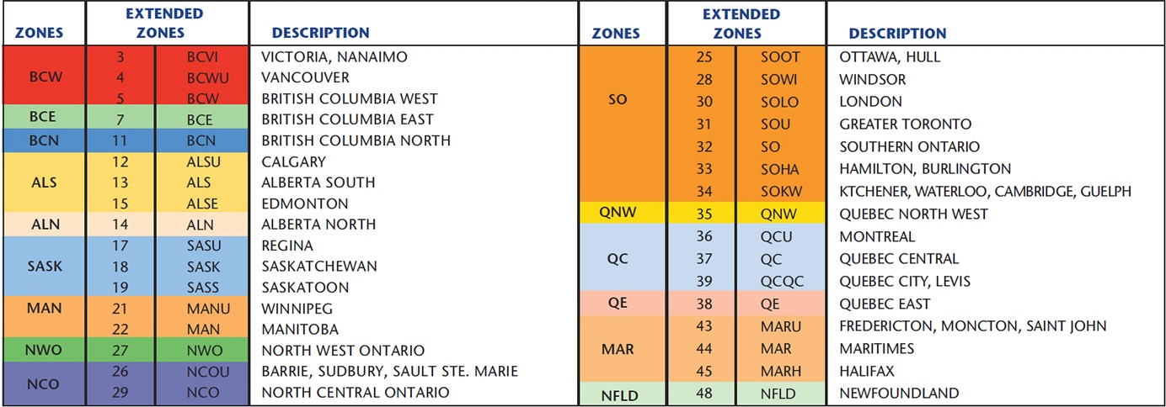
 |  |  |  |  |  | Customer Name: | Axon
 |  |  |  |  |  | Contract #: | 9808580
 |  |  |  |  |  | Start Date: | 2019-03-01
 |  |  |  |  |  | Expiry Date: | 2020-02-28
 |  |  |  |  |  | Currency: | US Dollars

Courier Parcel Rate Schedule End Delivery

 |  | Destination Zones
Induction Zone & Service |  | Base | AW | Base | AW | Base | AW | Base | AW | Base | AW | Base | AW
 |  | Zone 1 |  | Zone 2 |  | Zone 3 |  | Zone 4 |  | Zone 5 |  | Zone 6
YYZ Ground | 0-10 lb. Base | 20.25 | 0.50 | 20.15 | 0.50 | 18.23 | 0.45 | 9.13 | 0.23 | 11.02 | 0.27 | 17.56 | 0.44 | 17.40 | 2.53 | 0

 |  | Destination Zones
 |  | Base | AW | Base | AW | Base | AW | Base | AW | Base | AW | Base | AW
 |  | Zone 1 |  | Zone 2 |  | MANU, MAN,NOW, QNW |  |  |  | QE |  | Zone 6
YYZ Express | 0-1 lb. Base | 17.40 | 2.27 | 17.40 | 2.27 | 17.40 | 2.27 |  |  | 17.40 | 2.27 | 17.40 | 2.27
 |  |  |  |  |  | NCO, NCOU |  | SO, SOU, SOWI, SOOT, SOLO, SOHA, SOKW, QCU |  | QC, QCQC
 | 0-10 lb. Base |  |  |  |  | 20.06 | 0.50 | 10.05 | 0.25 | 12.13 | 0.30

 |  | Destination Zones
 |  | Base | AW | Base | AW | Base | AW | Base | AW | Base | AW | Base | AW
 |  | Zone 1 |  | Zone 2 |  | Zone 3 |  | Zone 4 |  | Zone 5 |  | Zone 6
YVR Ground | 0-10 lb. Base | 9.13 | 0.25 | 18.37 | 0.43 | 20.14 | 0.48 | 20.26 | 0.51 | 23.83 | 0.54 | 23.97 | 0.54 | Air | 0.00

 |  | Destination Zones
 |  | Base | AW | Base | AW | Base | AW | Base | AW | Base | AW | Base | AW
 |  | BCN |  | Zone 2 |  | Zone 3 |  | Zone 4 |  | Zone 5 |  | Zone 6
YVR Express | 0-1 lb. Base | 17.40 | 2.53 | 17.40 | 2.53 | 17.40 | 2.53 | 17.40 | 2.53 | 17.40 | 2.53 | 17.40 | 2.53
 |  | BCE, BCVI, BCW, BCWU
 | 0-10 lb. Base | 10.05 | 0.28

 |  | Destination Zones
 |  | Base | AW | Base | AW | Base | AW | Base | AW | Base | AW | Base | AW
 |  | Zone 1 |  | Zone 2 |  | Zone 3 |  | Zone 4 |  | Zone 5 |  | Zone 6
Richmond, BC Ground | 0-10 lb. Base | 10.14 | 0.26 | 20.16 | 0.44 | 22.12 | 0.49 | 22.34 | 0.53 | 26.09 | 0.55 | 26.24 | 0.56 | Base | AW

 |  | Destination Zones
 |  | Base | AW | Base | AW | Base | AW | Base | AW | Base | AW | Base | AW
 |  | BCN |  | Zone 2 |  | Zone 3 |  | Zone 4 |  | Zone 5 |  | Zone 6
Richmond, BC Express | 0-1 lb. Base | 19.51 | 2.59 | 19.51 | 2.59 | 19.51 | 2.59 | 19.51 | 2.59 | 19.51 | 2.59 | 19.51 | 2.59
 |  | BCE, BCVI, BCW, BCWU
 | 0-10 lb. Base | 11.15 | 0.28

Upgraded Products:

9:00 AM Delivery | Additional $13 per shipment.

10:30 AM Delivery | Additional $8 per shipment.

Noon Delivery | Additional $5 per shipment.

Evening Delivery | Additional $23 per shipment.

Saturday Delivery | Additional $25 per shipment.
 |  |  |  |  | Discount From Tariff:
Other Services:
Within Canada |  | Purolator |  | Envelope
 |  | Purolator |  | Pak
 |  | Purolator |  | Box

Canada to US |  | Purolator Ground
 |  | Purolator Express
 |  | Purolator Express |  | Envelope
 |  | Purolator Express |  | Pak
 |  | Purolator Express |  | Box

Canada to Int'l |  | Purolator Express
 |  | Purolator Express |  | Envelope
 |  | PurolatorExpress |  | Pak
 |  | PURO Express |  | Box

 |  | • First quantity break rate per Zone represents the Base charge as indicated. The second quantity break rate per Zone represents additional charges per lb.
 |  | • All services subject to availaibity for the origin and destintation at time of shipment.
 |  | • Purolator's pricing is based on a zone-to-zone grid system.
 |  | • All of Purolator’s quoted rates are based on shipments being sent FROM one of these zones TO the same zone or another zone.
 |  | • The following maps and alphabetical postal code listing on the back cover have been designed to identify the FROM and TO zone for any shipment, so
 |  | you can look up your specific pricing in your current contract.

6 ZONES

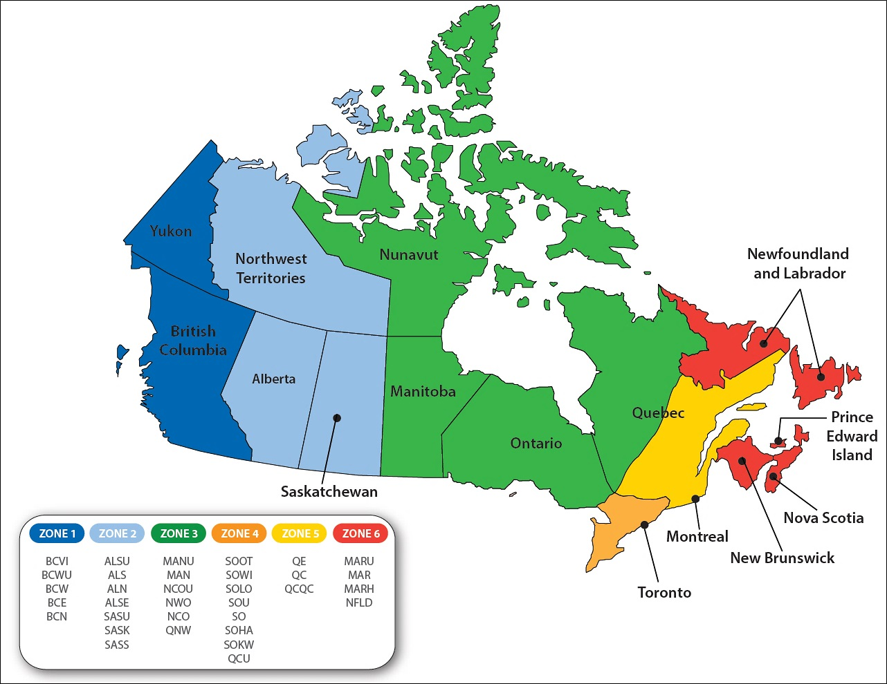

33 ZONES

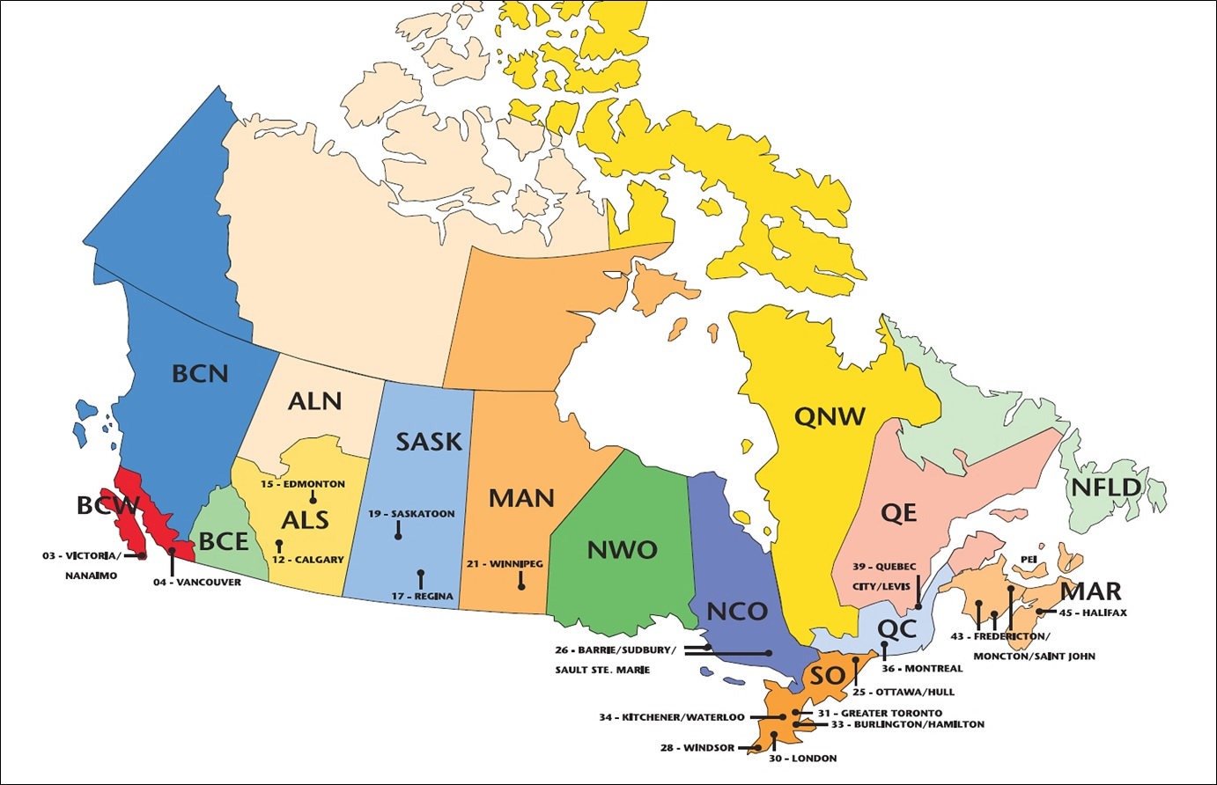

 |  |  |  | ZONES | EXTENDED ZONES |  | DESCRIPTION

